COFM
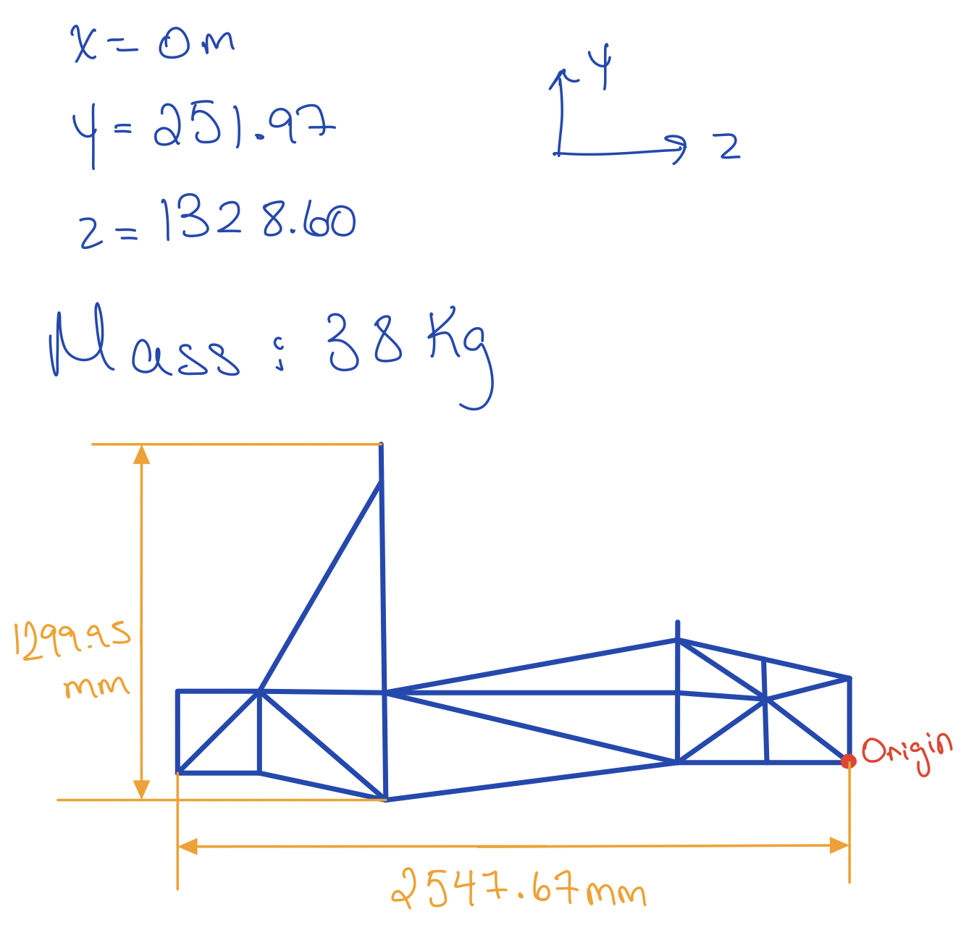
Component | x (mm) | y (mm) | z (mm) | Mass (kg) | x *mass | y * mass | z * mass | m | 303.465
Chassis: | 0 | 246.9 | 1345.2 | 38.56 | 0 | 9520.464 | 51870.912 | a2 | 0.78988874951 |  | 0.0027650635164
Battery: | 0 | 94.11 | 1910.3 | 30.38 | 0 | 2859.0618 | 58034.914 | a1 | 0.81313625049
Front Left Wheel Assembly: | 500 | 97.27 | 658.535 | 9.843 | 4921.5 | 957.42861 | 6481.960005 | h | 0.28918968514
Front Right Wheel Assembly: | -500 | 97.27 | 658.535 | 9.843 | -4921.5 | 957.42861 | 6481.960005 | lf | 0.86313625049
Rear Left Wheel Assembly: | 500 | 97.27 | 2261.56 | 13.843 | 6921.5 | 1346.50861 | 31306.77508 | lr | 0.81988874951
Rear Right Wheel Assembly: | -500 | 97.27 | 2261.56 | 13.843 | -6921.5 | 1346.50861 | 31306.77508 | hf | 0.18918968514
Driver: | 0 | -35 | 1312.54 | 111.58 | 0 | -3905.3 | 146453.2132 | hr | 0.99581031486
Motor and big sprocket: | 100 | -9 | 2201 | 12 | 1200 | -108 | 26412 | bleft | 0.49723493648
Steering Assembly: | 0 | 183.24 | 658.535 | 11.796 | 0 | 2161.49904 | 7768.07886 | brigjt | 0.50276506352
Seat and Harness: | 0 | 485 | 1830 | 3.85 | 0 | 1867.25 | 7045.5
Rear drive shaft: | 0 | 183.24 | 2261.56 | 10.933 | 0 | 2003.36292 | 24725.63548
Front Suspension Assembly: | 0 | 550 | 645.72 | 10.656 | 0 | 5860.8 | 6880.79232
Rear Suspension Assembly: | 0 | 650 | 2050 | 16.712 | 0 | 10862.8 | 34259.6
Pedal Box: | -150 | 100 | 100 | 2.406 | -360.9 | 240.6 | 240.6
Rear wing and mouting: | 0 | 1021.56 | 1950 | 3.76 | 0 | 3841.0656 | 7332
Front Splitter and mouting: | 0 | 0 | 0 | 3.46 | 0 | 0 | 0
Total Mass |  |  |  | 303.465 | 839.1 | 39811.4778 | 446600.71603
COM | 2.7650635164 | 131.18968514 | 1471.6712505
 | Origin is in the middle of Front Bulkhead |  |  |  |  |  |  |  |  | SPRUNG MASS | 223.2585

 |  |  |  |  |  |  |  |  |  | UNSPRUNG MASS | 80.2065
COM from Ground | 2.7650635164 | 289.18968514 | 1471.6712505
 |  |  |  |  |  |  |  |  |  |  | 303.465
 |  |  |  | Rear Tire to COFM | Front Tire to COFM
 |  |  | -789.88874951 |  | 813.13625049

 |  |  |  |  | 1603.025

Kinematic Models
ACCELERATION CALC |  |  |  | DECELERATION CALC |  |  |  |  | SPEED VS CORNERING RADIUS |  |  |  |  |  | 1 | in | 0.0254 | m
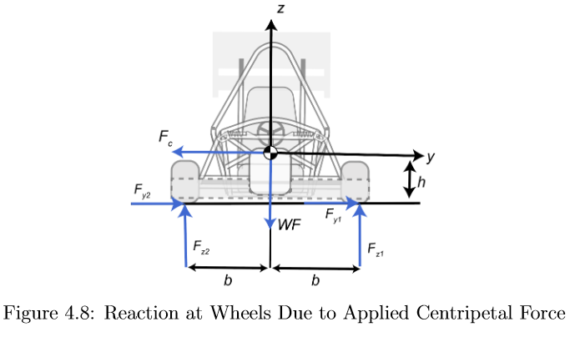
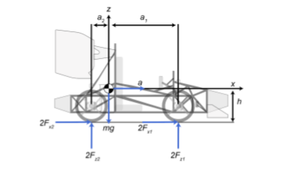

Height from Road to COFM | h | 0.28918968514 | m | Height from Road to COFM | h | 0.28918968514 | m |  | Height from Road to COFM | h | 0.28918968514 | m | 2235.5290533 |  | m | 303.465 | kg
Length from COFM to Front | a1 | 0.81313625049 | m | Length from COFM to Front | a1 | 0.81313625049 | m |  | Length from COFM to Front | a1 | 0.81313625049 | m |  |  | a2 | 0.78988874951 | m
Length from COFM to Rear | a2 | 0.78988874951 | m | Length from COFM to Rear | a2 | 0.78988874951 | m |  | Length from COFM to Rear | a2 | 0.78988874951 | m |  |  | a1 | 0.81313625049 | m
Mass of the Vehicle | m | 303.465 | kg | Length from COFM to Rear Wing | l_r | 0.81988874951 | m |  | Length from Right Wheel to COFM | b | 0.49723493648 | m |  |  | h | 0.28918968514 | m
Acceleration due to gravity | g | 9.81 | m/s^2 | Length from COFM to Front Wing | l_f | 0.86313625049 | m |  | Length from Left Wheel to COFM | b | 0.50276506352 | m |  |  | lf | 0.86313625049 | m
Radius of the Tire | Rw | 0.25527 | m | Mass of the Vehicle | m | 303.465 | m |  | Mass of the Vehicle | m | 303.465 | kg |  |  | lr | 0.81988874951 | m
Peak Power Batter | Pb | 70.56 | kW | Coefficient of Drag | C_D | 0.92 |  |  | Acceleration due to gravity | g | 9.81 | m/s^2 |  |  | hf | 0.18918968514 | m
Max Torque from Motor | Tm | 140.03404255 | Nm | Acceleration due to gravity | g | 9.81 | m/s^2 |  | Radius of the Tire | Rw | 0.25527 | m |  |  | hr | 0.99581031486 | m
Number of Teeth Driving | N1 | 14 |  | Radius of the Tire | Rw | 0.25527 | m |  | Total Normal Force on Front Wheels | WF | 1466.909257 | N | Statics |  | b_left | 0.49723493648 | m
Number of Teeth Driven | N2 | 35 |  | Maximum Down Force Generated | F_TL | 1880.0955469 | N |  | Total Normal Force on Rear Wheels | WR | 1510.082393 | N | Statics |  | b_right | 0.50276506352 | m
Differential Gear Ratio | DGR | 1 | 1 | Lift Generated from Car | F_LC | 232.88241059 | N |  | Front Bias | blad | 0.49274886512 | 1466.909257
Transmission Efficiency | n_Tr | 0.92 |  | Height from COFM to Front Wing | h_f | 0.18918968514 | m | 1647.2131363 | Rear Bias | blod | 0.50725113488 | 1510.082393
Coefficient of Friction (Road) | u_f | 0.9 |  | Height from COFM to Rear Wing | h_r | 0.99581031486 | m |  | Aero without velocity | rho*cd*A | 2.2089249
 |  |  |  | Coefficient of Friction (Road) | u_f | 0.9 |  |  | Front Normal Force on Right Wheel | F_Nfr | 354.34293872 | N | Smallest Corner
 |  |  |  | Finding maximum allowable deceleration due to friction |  |  |  |  | Front Normal Force on Left Wheel | F_Nfl | 1122.1762013 | N
Finding max accel of car from the motor |  |  |  | Total Normal Force about COFM | F_NT | 4624.2047863 | N |  | Rear Normal Force on Right Wheel | F_Nrr | 364.77173369 | N
Torque transferred to wheels | T_w | 322.07829787 | Nm | Maximum allowable total Friction from Tires and Road | F_fmax | 4161.7843077 | N |  | Rear Normal Force on Left Wheel | F_Nrl | 1155.2033742 | N
Force transmitted from the wheels | F_w | 1261.7162137 | N | Thus max decel. Allowed |  |  |  |  | Friction Verification |  | 2696.8448231 | N
Max Allowable Total Friction from Tires and the Road |  |  |  | Maximum Deceleration | a_decel max | 13.714215174 | m/s^2 |  | Front Normal Force on Right Wheel | F_Nfr | 519.80197812 | N | Largest Corner Multiplied by BIAS
Friction Force from tires to road | F_f | 2679.292485 | N | Maximum Deceleration in G's | a/g | 1.3979831981 | g |  | Front Normal Force on Left Wheel | F_Nfl | 1661.6556591 | N
Since F_f > F_w, car will accelerate wihtout slip |  |  |  | Time Required to Stop from Max Speed to 0 | t_stopping | 2.1267470502 | s |  | Rear Normal Force on Right Wheel | F_Nrr | 535.10045782 | N
Thus, |  |  |  | Estimated Stopping Distance | S_stopping | 31.015061149 | m |  | Rear Normal Force on Left Wheel | F_Nrl | 1710.5604467 | N
Max Acceleration of the Car | a_max | 4.1576992856 | m/s^2 |  |  |  |  |  | Friction Verification |  | 3984.4066875 | N
INDUCED FROM A STAND STILL AS THERE ARE LITTLE TO NO DRAG FORCES INDUCED ON THE VEHICLE THIS ACCELERATION IS UNATTAINABLE SMALLER MOTOR REQUIRED |  |  |  | Drag? Will be ADDED tmrw max |  |  |  |  |  | 3372.2161058 | 1054.9024359 | 0.31282171808 | 0.68717828192 | R
 |  |  |  |  |  |  |  |  | Reaction Forces at wheel due to F_C right | F_yr | 1246.4089455 | N | DON’T USE
 |  |  |  |  |  |  |  |  | Reaction Forces at wheel due to F_C left | F_yl | 2737.997742 | N
Force Reactions Due to Acceleration |  |  |  | Force Reactions Due to Decceleration |  |  |  |  | Reaction Forces at wheel due to F_C Front right | F_yfr | 614.16659338 | N
Sum of Forces about Z-axis |  |  |  |  |  |  |  |  | Reaction Forces at wheel due to F_C Rear right | F_yrr | 632.24235214 | N
 |  |  |  | Height from Road to COFM | h | 0.28918968514 | m |  | Reaction Forces at wheel due to F_C Front left | F_yfl | 1349.1452801 | N | Largest Corner Multiplied by BIAS
Height from Road to COFM | h | 0.28918968514 | m | Length from COFM to Front | a1 | 0.81313625049 | m |  | Reaction Forces at wheel due to F_C Rear left | F_yrl | 1388.8524619 | N
Length from COFM to Front | a1 | 0.81313625049 | m | Length from COFM to Rear | a2 | 0.78988874951 | m |  | Friction Forces Front Left | F_xfl | 1495.4900931 | N | Largest Corner Multiplied by BIAS
Length from COFM to Rear | a2 | 0.78988874951 | m | Length from COFM to Rear Wing | l_r | 0.81988874951 | m |  | Friction Forces Rear Left | F_xrl | 1539.504402 | N
Mass of the Vehicle | m | 303.465 | kg | Length from COFM to Front Wing | l_f | 0.86313625049 | m |  | Friction Forces Front right | F_xfr | 467.82178031 | N | Largest Corner Multiplied by BIAS
Acceleration due to gravity | g | 9.81 | m/s^2 | Mass of the Vehicle | m | 303.465 | kg |  | Friction Forces Rear right | F_xrr | 481.59041204 | N
Normal Force on a Front Wheel | Fz_f | 619.64626164 | N | Acceleration due to gravity | g | 9.81 | m/s^2 |  | TOTAL FORCE ON FRONT LEFT
Normal Force on a Rear Wheel | Fz_r | 868.84956336 | N | Maximum Deceleration | a_decel max | 13.714215174 | m/s^2
Normal Force Front | 2*Fz_f | 1239.2925233 | N | Coefficient of Lift Rear Wing | C_ff | 3.074 | ASSUMED DON’T KNOW HOW TO FINDING NEED SAPPORT |  | F_Tfl | 2611.0884962 |  |  |  | Largest Corner Multiplied by BIAS
Normal Force Rear | 2*Fz_r | 1737.6991267 | N | Coefficient of Lift Front Wing | C_fr | 3.074 |  |  | TOTAL FORCE ON REAR LEFT
Verification of Friction Force | F_f | 2083.894155 | N | Coefficient of Lift Car | C_fcar | 0.29
 |  |  |  | Frontal Area of Front Wing | A_f | 0.5312 | m^2 |  | F_Trl | 2687.9363844 |  |  |  | Largest Corner Multiplied by BIAS
 |  |  |  | Frontal Area of Rear Wing | A_r | 0.6425 | m^2
Force Reactions Due to Acceleration Method 2 ex.107 FVD Springer |  |  |  | Frontal Area of Car | A_car | 1.5412 | m^2 |  | VELOCITY ITTERATIONS
 |  |  |  | Density of Air | p | 1.225 | kg/m^3 |  | Coefficient of Lift for Car | C_lcar | 2.34 |  | DOWNWARDS
Height from Road to COFM | h | 0.28918968514 | m | Maximum Velocity of Vehicle | v_max | 29.166666667 | m/s |  | Frontal Area of Car | A_car | 1.5412 | m^2
Length from COFM to Front | a1 | 0.81313625049 | m | Downforce Produced by Front Wing | F_lf | 850.82769722 | N | Downwards | Density of Air | p | 1.225 | kg/m^3
Length from COFM to Rear | a2 | 0.78988874951 | m | Downforce Produced by Rear Wing | F_lr | 1029.097883 | N | Downwards | Downforce Produced | F_l | ? | N
Mass of the Vehicle | m | 303.465 | kg | Lift Force Produced from Car | F_lcar | 232.88241059 | N | Upwards | Mass of the Vehicle | m | 303.465 | kg
Acceleration due to gravity | g | 9.81 | m/s^2 | Drag Force Front | F_Df | 262.41191126 | N |  | Coefficient of Friction |  | 0.9
Max Acceleration 1 | a_1 | 5.3466073759 | m/s^2 | Drag Force Rear | F_Dr | 216.95440819 | N |  | Gravity |  | 9.81
Acceleration for WHEELIES | a_2 | 26.794899787 | m/s^2 | Total Drag | F_D | 603.10152778 | N |  |  | Cornering Radius (m) | Max Velocity (m/s) | F_c | F_friction
Normal Force on a Front Wheel | Fz_f | 587.10237648 | N |  | C_Davg | 0.78384595723 |  |  |  | 1 | 2.9713633235 | 2679.292485 | 2696.8448231
Normal Force on a Rear Wheel | Fz_r | 901.39344852 | N | Normal Force on a Front Wheel | Fz_f | 1548.7542998 | N | Downforce only |  | 2 | 4.2299445078 | 2714.8632168 | 2714.8632168
Normal Force Front | 2*Fz_f | 1174.204753 | N | Normal Force on a Rear Wheel | Fz_r | 763.26311 | N |  |  | 3 | 5.1978835589 | 2733.0051317 | 2733.0051317
Normal Force Rear | 2*Fz_r | 1802.786897 | N | Normal Force Front | 2*Fz_f | 3097.5085997 | N |  |  | 4 | 6.0221540179 | 2751.3911424 | 2751.3911424
Friction Force | F_f | 2083.894155 | N | Normal Force Rear | 2*Fz_r | 1526.52622 | N |  |  | 5 | 6.7557354829 | 2770.0262085 | 2770.0262085
Friction Force From Rear Wheels | F_fr | 1622.5082073 | N | Total Normal Forces Acting on Car | Fz_T | 4624.0348197 | N |  |  | 6 | 7.42572724 | 2788.9154251 | 2788.9154251
 |  |  |  | Verification of Friction Force | F_f | 4161.6313377 | N |  |  | 7 | 8.0481899606 | 2808.0640272 | 2808.0640272
 |  |  |  | Normal Force on a Front Wheel | Fz_f | 1688.7473664 | N | Downforce and Drag |  | 8 | 8.6335669205 | 2827.4773946 | 2827.4773946
Static Scenrio |  |  |  | Normal Force on a Rear Wheel | Fz_r | 637.15189546 | N |  |  | 9 | 9.1890997841 | 2847.1610567 | 2847.1610567
Normal Force Front | 2*Fz_f | 1466.909257 | N | Normal Force Front | 2*Fz_f | 3377.4947328 | N |  |  | 10 | 9.7200541287 | 2867.1206982 | 2867.1206982
Normal Force Rear | 2*Fz_r | 1510.082393 | N | Normal Force Rear | 2*Fz_r | 1274.3037909 | N |  |  | 11 | 10.230401272 | 2887.3621641 | 2887.3621641
Normal Force Front | Fz_f | 733.45462851 | N | Total Normal Forces Acting on Car | Fz_T | 4651.7985237 | N |  |  | 12 | 10.723224907 | 2907.8914659 | 2907.8914659
Normal Force Rear | Fz_r | 755.04119649 | N | Verification of Friction Force | F_f | 4186.6186714 | N |  |  | 13 | 11.200977158 | 2928.7147871 | 2928.7147871
 |  |  |  |  |  |  |  |  |  | 14 | 11.665647044 | 2949.8384897 | 2949.8384897
 |  |  |  |  |  |  |  |  |  | 15 | 12.118875383 | 2971.2691204 | 2971.2691204
 |  |  |  |  |  |  |  |  |  | 16 | 12.562035566 | 2993.0134177 | 2993.0134177
 |  |  |  |  |  |  |  |  |  | 17 | 12.996291836 | 3015.0783189 | 3015.0783189
 |  |  |  |  |  |  |  |  |  | 18 | 13.422642267 | 3037.4709672 | 3037.4709672
 |  |  |  |  |  |  |  |  |  | 19 | 13.841951094 | 3060.1987196 | 3060.1987196
 |  |  |  |  |  |  |  |  |  | 20 | 14.254973438 | 3083.2691551 | 3083.2691551
 |  |  |  |  |  |  |  |  |  | 21 | 14.662374515 | 3106.6900828 | 3106.6900828
 |  |  |  |  |  |  |  |  |  | 22 | 15.064744758 | 3130.4695511 | 3130.4695511
 |  |  |  |  |  |  |  |  |  | 23 | 15.46261186 | 3154.6158566 | 3154.6158566
 |  |  |  |  |  |  |  |  |  | 24 | 15.856450492 | 3179.1375539 | 3179.1375539
 |  |  |  |  |  |  |  |  |  | 25 | 16.246690203 | 3204.0434656 | 3204.0434656
 |  |  |  |  |  |  |  |  |  | 26 | 16.63372191 | 3229.3426929 | 3229.3426929
 |  |  |  |  |  |  |  |  |  | 27 | 17.017903282 | 3255.0446271 | 3255.0446271
 |  |  |  |  |  |  |  |  |  | 28 | 17.399563228 | 3281.1589604 | 3281.1589604
 |  |  |  |  |  |  |  |  |  | 29 | 17.779005678 | 3307.6956989 | 3307.6956989
 |  |  |  |  |  |  |  |  |  | 30 | 18.156512786 | 3334.6651748 | 3334.6651748
 |  |  |  |  |  |  |  |  |  | 31 | 18.532347653 | 3362.0780603 | 3362.0780603
 |  |  |  |  |  |  |  |  |  | 32 | 18.906756678 | 3389.9453812 | 3389.9453812
 |  |  |  |  |  |  |  |  |  | 33 | 19.279971568 | 3418.2785321 | 3418.2785321
 |  |  |  |  |  |  |  |  |  | 34 | 19.6522111 | 3447.0892915 | 3447.0892915
 |  |  |  |  |  |  |  |  |  | 35 | 20.023682644 | 3476.3898386 | 3476.3898386
 |  |  |  |  |  |  |  |  |  | 36 | 20.39458351 | 3506.1927703 | 3506.1927703
 |  |  |  |  |  |  |  |  |  | 37 | 20.765102127 | 3536.5111189 | 3536.5111189
 |  |  |  |  |  |  |  |  |  | 38 | 21.135419091 | 3567.3583718 | 3567.3583718
 |  |  |  |  |  |  |  |  |  | 39 | 21.505708102 | 3598.7484907 | 3598.7484907
 |  |  |  |  |  |  |  |  |  | 40 | 21.876136798 | 3630.6959334 | 3630.6959334
 |  |  |  |  |  |  |  |  |  | 41 | 22.246867503 | 3663.2156755 | 3663.2156755
 |  |  |  |  |  |  |  |  |  | 42 | 22.618057911 | 3696.323234 | 3696.323234
 |  |  |  |  |  |  |  |  |  | 43 | 22.989861704 | 3730.0346922 | 3730.0346922
 |  |  |  |  |  |  |  |  |  | 44 | 23.362429111 | 3764.3667253 | 3764.3667253
 |  |  |  |  |  |  |  |  |  | 45 | 23.735907431 | 3799.3366281 | 3799.3366281
 |  |  |  |  |  |  |  |  |  | 46 | 24.11044151 | 3834.9623443 | 3834.9623443
 |  |  |  |  |  |  |  |  |  | 47 | 24.486174184 | 3871.2624968 | 3871.2624968
 |  |  |  |  |  |  |  |  |  | 48 | 24.863246697 | 3908.2564204 | 3908.2564204
 |  |  |  |  |  |  |  |  |  | 49 | 25.241799086 | 3945.9641961 | 3945.9641961
 |  |  |  |  |  |  |  |  |  | 50 | 25.621970556 | 3984.4066875 | 3984.4066875

Brake System Pedal to Wheel
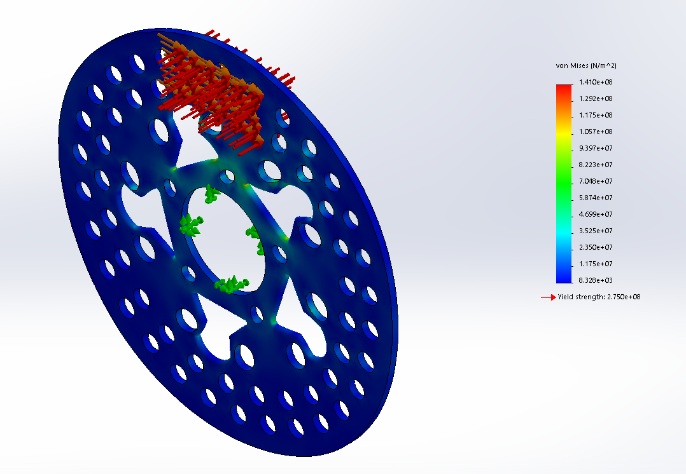
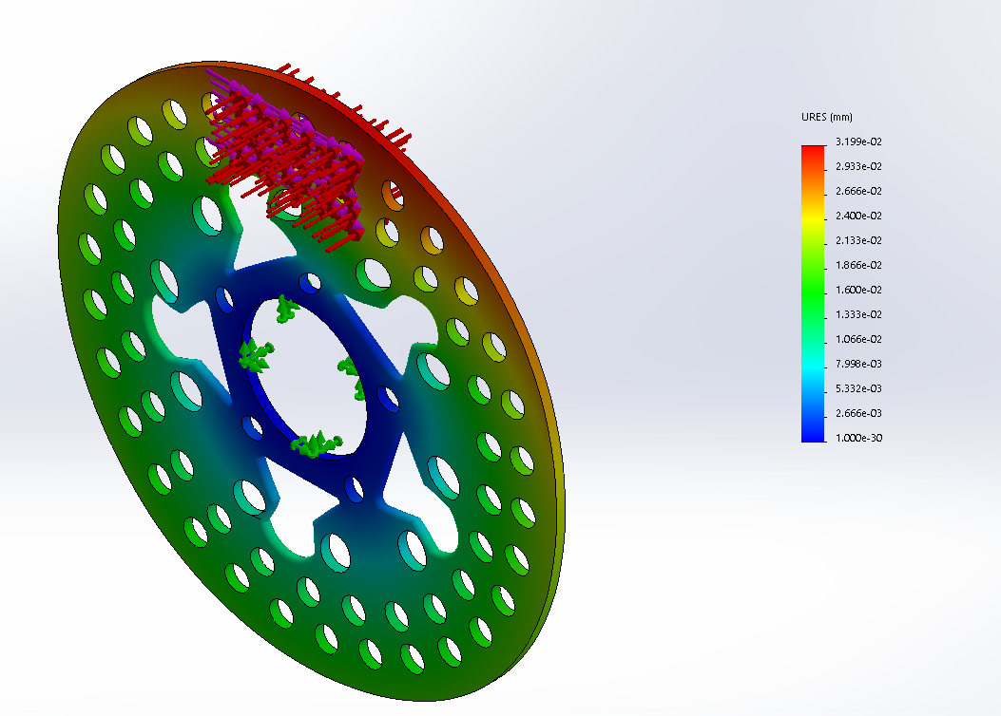
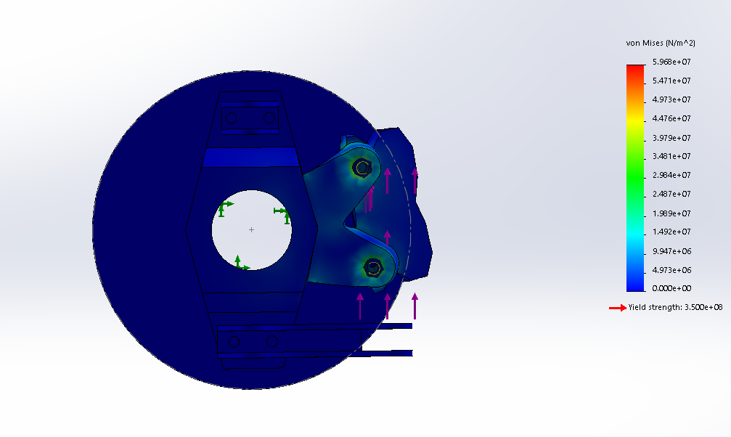
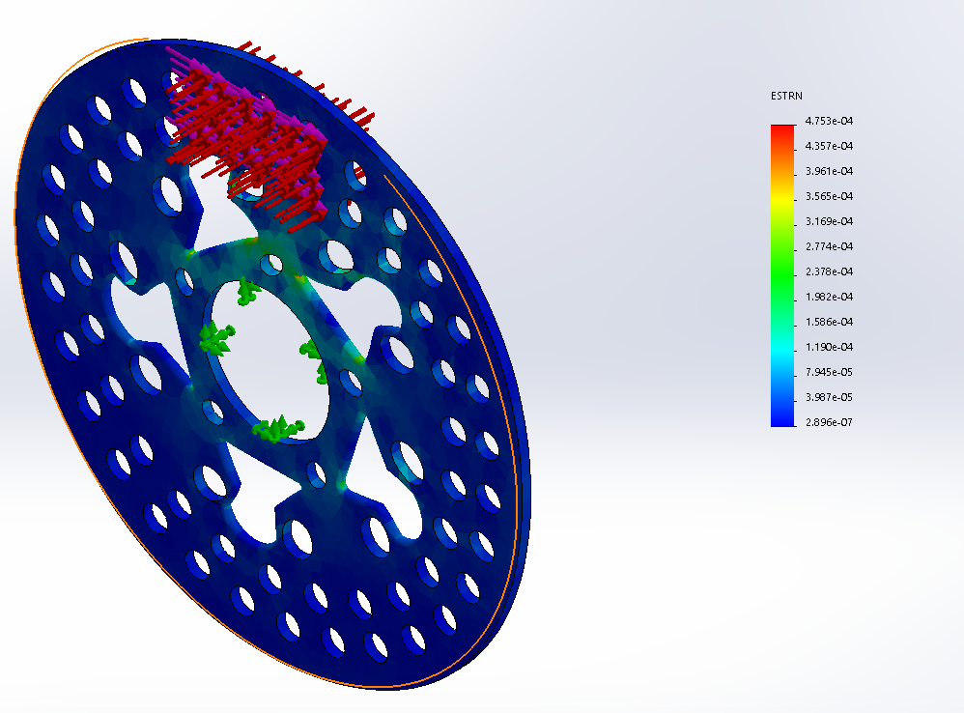
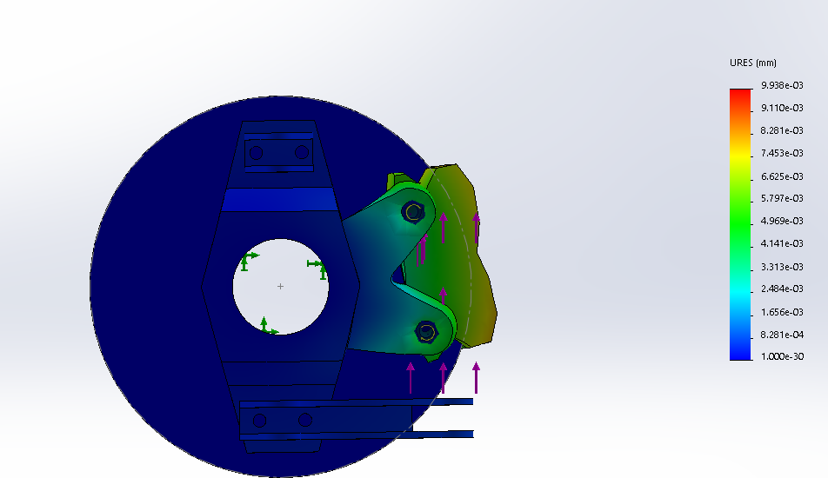
Front and Rear Tire Brake Analysis

Vehicle Properties |  |  |  |  | m | 303.465
Gravity | g | 9.81 | m/s^2 |  | a2 | 0.78988874951
Mass of Vehicle | m_v | 303.465 | kg |  | a1 | 0.81313625049
Radius of Wheel | R_w | 0.25527 | m | Modelling Report | h | 0.28918968514
Maximum Vehicle Velocity | V_max | 29.1667 | m/s | 105 km/h | lf | 0.86313625049
Angular Velocity of the Wheel at max velocity | omega_max | 114.25823638 | rad/s |  | lr | 0.81988874951
Coefficient of Friction Between Tire and Road | mu_road | 0.9 |  |  | hf | 0.21918968514
Normal Force on Wheel Front for 1 Tire | F_NF1 | 1688.7473664 | N | From Deceleration Analysis | hr | 0.99581031486
Normal Force on Wheel Front for 1 Tire | F_NF2 | 1688.7473664 | N | From Deceleration Analysis | bleft | 0.49723493648
Normal Force on Wheel Rear for 1 Tire | F_NR1 | 637.15189546 | N | From Deceleration Analysis | brigjt | 0.50276506352
Normal Force on Wheel Rear for 1 Tire | F_NR2 | 637.15189546 | N | From Deceleration Analysis

Pedal Forces & Bias Bar Translations
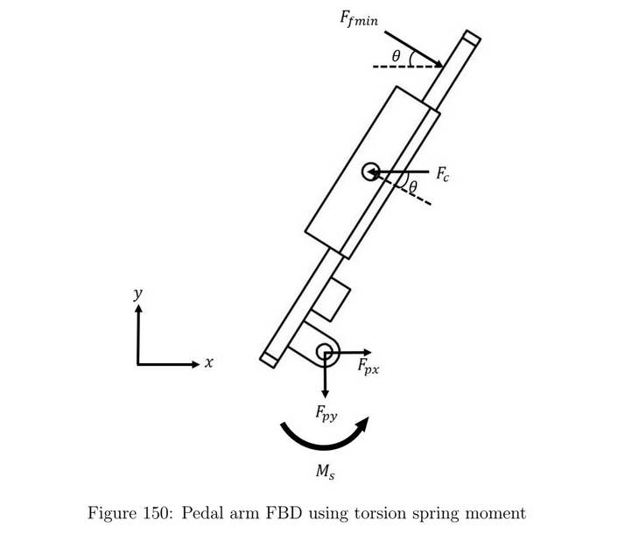
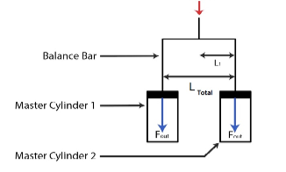

 |  |  |  |  |  | PARAM. C LENGTH ATTACHMENT POINT TO ROD AND BIAS RATIOS + SAFETY FACTOR FOR LOCKING

Description | Variable | Value | Units | Notes
Length at which Pedal Force is Applied from Pinion | L | 0.125 | m
Length at which Master Cylinders attach to pedal from Pinion | C | 0.036 | m | Variable we can change
Force Applied by Drivers Foot | Fapp | 300 | N
Reaction force from Master Cylinder Rod | Fc | 1041.6666667 | N
Bias Bar Front Ratio | BBRf | 0.57 | - | Variable we can change
Bias Bar Rear Ratio | BBRr | 0.43 | - | Variable we can change |  | Master Cylinders
Front Master Cylinder Bore Radius | R_FMC | 0.0079375 | m | 5/8 " Master Cylinder |  | https://www.wilwood.com/MasterCylinders/MasterCylinderProd?itemno=260-10371
Rear Master Cylinder Bore Radius | R_RMC | 0.0111125 | m | 7/8 " Master Cylinder |  | https://www.wilwood.com/MasterCylinders/MasterCylinderProd?itemno=260-10374
Front Master Cylinder Force | F_FMC | 593.75 | N
Rear Master Cylinder Force | F_RMC | 447.91666667 | N

Caliper and Rotor Specs Front
Radius of Front Caliper Pistons | R_CPPf | 0.015875 | m | Refer to Wilwoods Subject to change
Equivelant Radius of Front Calipers from Center Wheel | R_ef | 0.125349 | m
Coefficient of Friction between Pads and Disc/Rotor | mu_pd | 0.37 |  | Shgileys
Rotor Width | t_rotorf | 0.0127 | m | Refer to Wilwoods Subject to change
Rotor/Disc Radius | R_rotorf | 0.1397 | m

Forces Acting on Front Brakes at Max Deceleration
Area of Front Master Cylinder | A_MCf | 0.00019783226563 | m^2
Area of Front Caliper Pistons | A_Calf | 0.0007913290625 | m^2
Normal Force Applied on 1 Caliper Piston | F_Ncalf | 2375 | N |  |  | CALIPERS
Number of Pistons for the Front Caliper | n | 4 |  |  |  | https://www.wilwood.com/PDF/Flyers/fl148.pdf
Total Froce Applied on Caliper Pistons | F_Tncalf | 9500 | N |  |  | https://www.wilwood.com/Calipers/CaliperProd?itemno=120-15752%20%20%20%20%20%20&appid=0
Total Friction Force Front Calipers Apply on Rotor | F_fcalf | 3515 | N
Total Friction Force from Front Tire | F_ff | 1519.8726298 | N
Torque applied from front Calipers onto Rotor | T_calf | 440.601735 | N.m | T_caf > T_ff thus wheels will lock!
Torque from Friction at Front Tire | T_ff | 387.9778862 | N.m

Caliper and Rotor Specs Rear
Radius of Rear Caliper Pistons | R_CPPr | 0.015875 | m | Refer to Wilwoods Subject to change
Equivelant Radius of Rear Calipers from Center Wheel | R_er | 0.125349 | m
Coefficient of Friction between Pads and Disc/Rotor | mu_pd | 0.37 |  | Shgileys |  | Rotor Dimensions determined from Calipers and equivelant found
Rotor Width | t_rotorr | 0.0508 | m | Refer to Wilwoods Subject to change |  | https://www.wilwood.com/Calipers/CaliperProd?itemno=120-15752%20%20%20%20%20%20&appid=0
Rotor Radius | R_rotorr | 0.14605 | m |  |  | https://www.wilwood.com/Rotors/RotorProd?itemno=160-10662-BK%20%20%20&appid=0

Forces Acting on Rear Brakes at Max Deceleration
Area of Front Master Cylinder | A_MCr | 0.00038775124062 | m^2
Area of Front Caliper Pistons | A_Calr | 0.0007913290625 | m^2
Normal Force Applied on 1 Caliper Piston | F_Ncalr | 914.11564626 | N
Number of Pistons for the Front Caliper | n | 4
Total Froce Applied on Caliper Pistons | F_Tncalr | 3656.462585 | N
Total Friction Force Front Calipers Apply on Rotor | F_fcalr | 1352.8911565 | N
Total Friction Force from Front Tire | F_fr | 573.43670591 | N
Torque applied from front Calipers onto Rotor | T_calr | 169.58355357 | N.m | T_caf > T_ff thus wheels will lock!
Torque from Friction at Front Tire | T_fr | 146.38118792 | N.m

Yield Stress Analysis
Area of Pads at which caliper force is applied on to rotors | A_pads | 0.002354834 | m^2 | Refer to Wilwoods Caliper Properties
Highest Normal Force applied on Rotors | F_Ncal | 9500 | N
Induced Stress on Rotors from Normal Force Applied | sigma | 4.0342546439 | MPa
Yield Strength of Stainless Steel | Sy | 276 | MPa
Safety factor | n | 68.414124632

PEDAL BOX DESIGN ANALYSIS (RETURN SPRING BRAKES)
Max Force Applied from Drivers Foot | F_app | 300 | N
Force Applied from Master Cylinders into pedal | F_C | 1041.6666667 | N
Reaction Moment from Spring | M_s | 4.9741473461 | Nm
Length at which Pedal Force is Applied from Pinion | L | 0.125 | m
Length at which Master Cylinders attach to pedal from Pinion | C | 0.036 | m
Theta Angle at which the force changes the pedal position | theta | 0.36633333333 | radians
Distance horizontally from joint to F_cy | a | 0.02 | m

Pedal Box Design
Front and Rear Tire Brake Analysis

Vehicle Properties |  |  |  |  |  |  | m | 303.465
Gravity | g | 9.81 | m/s^2 |  |  |  | a2 | 0.78988874951
Mass of Vehicle | m_v | 303.465 | kg |  |  |  | a1 | 0.81313625049
Radius of Wheel | R_w | 0.25527 | m | Modelling Report |  |  | h | 0.28918968514
Maximum Vehicle Velocity | V_max | 29.1667 | m/s | 105 km/h |  |  | lf | 0.86313625049
Angular Velocity of the Wheel at max velocity | omega_max | 114.25823638 | rad/s |  |  |  | lr | 0.81988874951
Coefficient of Friction Between Tire and Road | mu_road | 0.9 |  |  |  |  | hf | 0.21918968514
Normal Force on Wheel Front for 1 Tire | F_NF1 | 1688.7473664 | N | From Deceleration Analysis |  |  | hr | 0.99581031486
Normal Force on Wheel Front for 1 Tire | F_NF2 | 1688.7473664 | N | From Deceleration Analysis |  |  | bleft | 0.49723493648
Normal Force on Wheel Rear for 1 Tire | F_NR1 | 637.15189546 | N | From Deceleration Analysis |  |  | brigjt | 0.50276506352
Normal Force on Wheel Rear for 1 Tire | F_NR2 | 637.15189546 | N | From Deceleration Analysis

Pedal Forces & Cable Translations
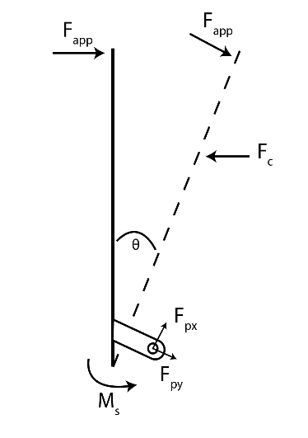

 |  |  |  |  | w

Description | Variable | Value | Units | Notes

PEDAL BOX DESIGN ANALYSIS (RETURN SPRING Accel Pedal)
Min Force Applied from Drivers Foot | F_appmin | 45 | N
Force Applied from Cable into pedal | F_C | 10 | N | CABLE FORCE NOT FROM MC
Max Force Applied from Drivers Foot | F_appmax | 300 | N
Reaction Moment from Spring | M_s | 5.2172481855 | Nm
Length at which Pedal Force is Applied from Pinion | L | 0.125 | m
Length at which Master Cylinders attach to pedal from Pinion | C | 0.036 | m
Theta Angle at which the force changes the pedal position | theta | 0.36633333333 | radians
Distance horizontally from joint to F_cy | a | 0.02 | m |  |  | W
Spring Force Max | F_s1 | 1854.6124093 | N

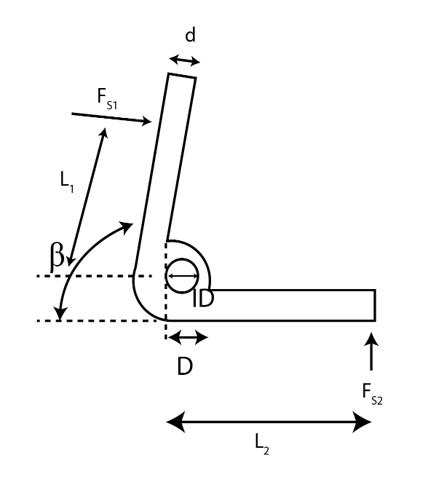
Spring Design and Analysis
Spring Width | d | 0.009 | m | Same spring will be used for brake pedal No point in designing two different ones
Angle between horizontal to spring arm L1 | Beta | 180 | degrees
Inner Diameter | ID | 0.02 | m
Outer Diameter | D | 0.029 | m
Length of arm at which F_s1 is applied | L1 | 0.02 | m
Length of arm at which F_s2 reacts | L2 | 0.03 | m
Max spring force from Pedal | F_s1 | 1854.6124093 | N
Spring Reaction Force | F_s2 |  | N
Total Angular Deflection | Theta_t | 0.041236176799 | radians
Young's Modulus | E | 203400000000 | Pa
Spring Rate | K | 126.52114212 | Nm/rad
Body Turn Count | N_b | 5.5 | turns
Ultimate Tensile Stress | S_ut | 1445898829.8 | Pa
Yield Stress | S_y | 1257931981.9 | Pa
Spring Index | C | 3.2222222222
Bending Stress Factor | K_i | 1.3025862069
Bending Stress | sigma | 675433246.75 | Pa
Safety Factor | n | 1.8624075554

Spring Fatigue Analysis
Max Moment | M_max | 37.092248185 | Nm
Min Moment | M_min | 5.2172481855 | Nm
Amplitude of Moments | M_a | 15.9375 | Nm
Stress amplitude | sigma_a | 290214745.58 | Pa | 290.21474558
Mean Moment | M_m | 21.154748185 | Nm
Stress mean | sigma_m | 385218501.17 | Pa | 385.21850117
Fatigue Strength | S_f | 925375251.06 | Pa | 925.37525106
Corrected Fatigue Strength | S_fc | 515471953.58 | Pa | 515.47195358
Safety Factor | n_f | 1.5671099052

Steering
Front and Rear Tire Brake Analysis
 |  |  |  |  | General COFM info
Vehicle Properties
Gravity | g | 9.81 | m/s^2 |  | m | 303.465
Mass of Vehicle | m_v | 303.465 | kg |  | a2 | 0.78988874951
Radius of Wheel | R_w | 0.25527 | m |  | a1 | 0.81313625049
 |  |  |  |  | h | 0.28918968514
Primary Shaft Dimensions |  |  |  |  | lf | 0.86313625049
Length of Primary Shaft | L_prim | 0.2 | m |  | lr | 0.81988874951
Angle at which shaft is oriented | theta_prim | 0.81988888889 | radians |  | hf | 0.21918968514
 |  | \ |  |  | hr | 0.99581031486
Secondary Shaft Dimensions |  |  |  |  | bleft | 0.49723493648
Length of Secondary Shaft | L_prim | 0.42 | m |  | brigjt | 0.50276506352
Angle at which shaft is oriented | theta_prim | 0.31086 | Degrees

Heim Joint Bolt (Steering Knuckle)
Tire Width | Tire_width | 0.23876 | m
Tire Radius | Tire_radius | 0.25527 | m
Coefficient of Fricition Tire and Road | mu | 0.9
Safety Factor for Heim Joint | n | 1.3 |  |  | Steering Dimensions
Maximum Turning Angle for inner wheel | alpha_i | 0.73266666667 | radians | 42
Distance between KingPin Axis and steering arm Heim Joint | X_kpheim | 0.08 | m |  | Tire Width | W_tire | 0.23876 | m | GEOMETRIES
Angle Between Steering Arm and Knuckle | beta | 0.31940777778 | radians | 18.31 | Tire Radius | R_tire | 0.25527 | m
Heim Joint Bolt Diameter | d_heim | 0.0032 | m | M8 Bolt | Track Width | T | 1.2538 | m
Moment of Friction | M_f | 44.00727771 | N.m |  | Inner Wheel Steering Angle | Phi_i | 0.73266666667 | radians |  | 42
Total Radius of Contact Patch | R_t | 0.1 | m |  | Outer Wheel Steering Angle | Phi_o | 0.48587226111 | radians |  | 27.85255
Total Normal Force on Wheel | F_N | 733.45462851 | N |  | Distance from Rear axle to COFM | a | 0.78988874951 | m
Lateral Force Required to turn the Wheel (Steering Arm) | F_SA | 600.65603991 | N |  | Distance from Rear axle to Front Axle | L | 1.603025 | m
Reaction Force acting on Heim Joint | F_heim | 600.65603991 | N |  | Distance from Center of Corner to COFM of car (MINIMUM TURNING RADIUS) | R_1 | 2.5347853881 | m
Max Shear Stress on Heim Joint | tao_max | 99631110.654 | Pa |  | Horizontal Distance from Center of Corner to center of rear axle | R_2 | 2.4085706813 | m
Shear Yield Strength | S_sy | 139200000 | Pa
Acc. Safety Factor for Heim Joint | n_acc | 1.3971539521 |  |  | Derivation to determine our ACKERMANN STEERING GEOMETRY

Tie Rod and Heim Joint |  |  |  |  | Ride Height |  | 0.1385 | m
Angle that Tie Rod makes with Heim Joint | Theta | 0.14976232259 | radians |  | Lower Wishbone Length Front Long |  | 0.27319 | m
Tie Rod input Force | F_Trout | 607.45555228 | N |  | Lower Wishbone Length Front Short |  | 0.24548 | m
Heim Joint Reaction Force X | F_Heimx | 600.65603991 | N
Area of Thread | A_thread | 20.1 | mm^2 |  | Upper Wishbone Length Front Long |  | 0.25073 | m
Axial Stress | sigma_axial | 30221669.268 | Pa |  | Upper Wishbone Length Front Short |  | 0.24548 | m |  | Test
Yield Strength | Sy | 220000000 | Pa | 220000000 | Y-Distance of Model |  | 0.42625 | m |  | 0.28246 | m
Safety Factor | n | 7.2795449534 | Pa |  | Height |  | 0.21418 | m
 |  |  |  |  | Distance from Knuckle Connection to Center of Wheel |  | 0.0843 | m
Tie Rods Tensile Loading |  |  |  |  | Distance from center of wishbone connection Knuckle subtracted by Tire Width |  | 0.12988 | m
Tie Rod Diameter | d_TR | 0.0085 | m |  | Max Allowable Steering Angle inner | 42 | 0.53378403895 | radians
Threaded Hole Diameter | d_Trhole | 0.006 | m |  | Max Allowable Steering Angle inner | 42 | 0.73266666667 | radians
Input Force on TR | F_Trin | 607.45555228 | N
Tie Rod angle | Theta | 0.14976232259 | Radians
Tie Rod Length | x_TR | 0.2949 | m |  | BETA DERIVATION FOR HEIM JOINT ANALYSIS
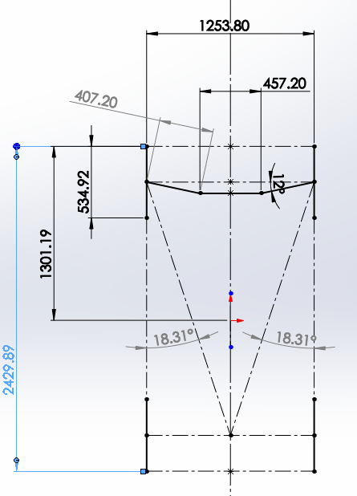
Axial Stress | sigma_axial | 21346999.421 | Pa
Safety Factor | n | 10.305898064

Tie Rods Compressive Loading
Critical Buckling Load | P_cr | 2639.0885979 | N
Young's Modulus | E_TR | 2.05E+11 | Pa
Moment of Inertia | I_TR | 3.8504863281E-10 | m^4
Safety Factor | n_buckling | 4.3444966269

Rack Hiem Joint and Rack Pin
Rack Heim Joint Force | F_Heim2 | 607.45555228 | N
Reaction force at Pin | Fp | 607.45555228 | N
Critical Shear Load | F_cr | 7211.952 | N
Shear Yield Stress | S_sy | 1.28E+08 | Pa
Yield Stress | Sy | 2.20E+08 | Pa
Pin Diameter | d_pin | 0.006 | m
Max Shear Stress | tao_max | 1361066666.7 | Pa
Actual Shear Stress | tao_acc'. | 114641293.19 | Pa
Safety Factor | n | 11.872394569

Rack
Height of Rack from Chassis | H_R | 0.044 | m | Dimensions of the rack with the rods at the end
Length of Rack | L_R | 0.4572 | m
Rack width | W_R | 0.0381 | m
Pin Hole diameter | d_pin | 0.006 | m
Stress Concentration Factor | K_t | 2.8
Pin Raction Forces on Rack X | F_px | 526.1525436 | N
Pin Raction Forces on Rack Y | F_py | 303.58812371 | N
Angle at which pins are connected to tie rods | Phi | 0.52333333333 | radains | 30 | Tie Rod Length | L_TR | 0.2949 | m
Tangential Force acting on Rack | F_pt | 1052.3050872 | N |  | Rack Length | L_R | 0.4572 | m
Stress on one prong of the rack | sigma_prong | 4142933.4142 | Pa |  | Rack Height | H_R | 0.044 | m
Safety Factor | n | 53.102470642 |  | Too high needs to be reitterated for | Rack width | W_R | 0.0265 | m
 |  |  |  |  | Angle from Horizontal of Knuckle to Tie Rod connection at Rack | Theta_TR-R | 0.14976232259 | radians
Pinion |  |  |  |  | Angle from Horizontal of Knuckle to Tie Rod connection at Rack | Theta_TR-R | 8.5851012947 | Degrees
Maximum Steering Arm Distance | d_max | 0.010295517635 | m
Length of Steering Arm | l_arm | 0.2949 | m
Ackermann Steering Angle | alpha_max | 0.14976232259 | radians
Steering Ratio | STR | 4.2857142857 |  |  | PINON GEAR DIMENSIONS |  |  |  |  | Pinion Gear Dimensions and Properties
Pinion Diameter | d_p | 0.0889 | m
Torque Transmitted | T | 46.774961126 | N.m |  | Pitch Diameter | d | 3.5 | in |  | 5172T45
Gear Pressure Angle | Phi | 0.34888888889 | radians |  | Number of Teeth | Z_pinion | 28 | teeth |  | https://www.mcmaster.com/gear-wheels/component~gear/for-shaft-diameter~7-8/
Transmitted Load Tangential | F_t | 1052.3050872 | N |  | Diameteral Pitch | 1/m | 8 | teeth/in
Transmitted Radial Force | F_r | 382.79685615 | N |  | Face Width | b | 1.5 | in
Reaction force applied on Secondary Shaft x | F_px | 1052.3050872 | N |  | Pinion Diameter | d_pi | 88.9 | mm
Reaction force applied on Secondary Shaft y | F_py | 382.79685615 | N |  |  |  |  |  |  | RACK DIMENSIONS assumingmachinable to cut to whatever length we want
Diametral Pitch | P | 8 | 1/in | 236.56765435
Pinion Width | b | 1.5 | in | lbf | RACK DIMENSIONS |  |  |  |  | 5174T5
Geometry Factor | J | 0.33 |  |  | Rack Length (this will be modified to fit our rack length | L_Rmc | 0.4572 | m |  | https://www.mcmaster.com/gear-rods/component~gear-rack/gear-rack-shape~rectangular/length~24/
Dynamic Factor | K_v | 1 |  |  | Rack Face Width | b_r | 1.25 | in
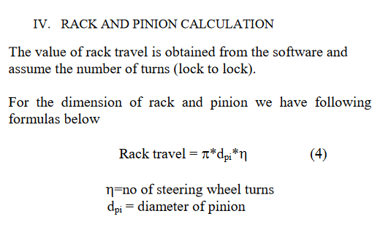
Overload Factor | K_o | 2.25 | Figure 14-17 Shigleys Medium Shock Driver, Heavy Shock Pinion |  | Diameteral Pitch | 1/m | 10 | teeth/in
Mounting Correction Factor | K_m | 1.5 |  |  | Rack Travel | RT | 0.139573 | m
Bending Stress | sigma_pinion | 12903.690237 | Psi | 88.990967153 | Teeth on Rack Required | Z_rack | 14 | Teeth
S_n | S_n | 218.25804 | MPa |  | Steering Ratio | STR_proper | 4.2857142857
Safety Factor | n | 2.4525864476 |  |  | Steering Wheel Radius | r_steering | 0.135 | m
 |  |  |  |  | Rack Travel Required (Probably more correct) | RT_req | 0.06594 | m | Rack must be 2 x this number + a bit
 |  |  |  |  | Rack Travel (PINION related Calc) | RT_req2 | 0.18609733333 | m | 0.13188
Pinon Surface Stresses to be included in APPENDIX not in BODY |  |  |  |  |  |  |  |  | \
Calculation for surface Stresses |  | 280.52514879 | - |  | BEARING ATTACHMENT POINT FOR OUR SECONDARY SHAFT
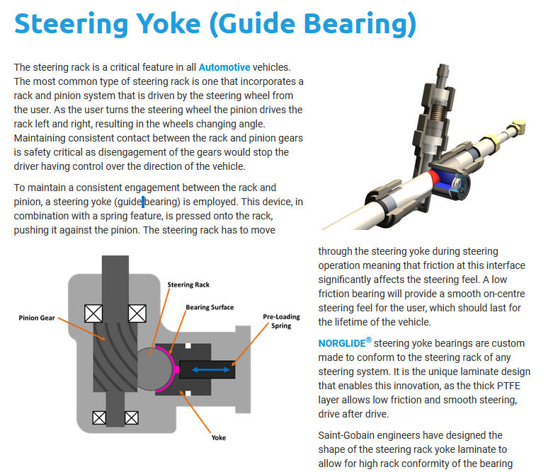
 |  | 16.748885001 | -
Surface stresses |  | 38522.435503 | Psi
 |  | 265.67196899 | Mpa
S | S_h | 390.255 | MPa
Safety Factor | n | 1.4689355504 |  | WE IS GOOD

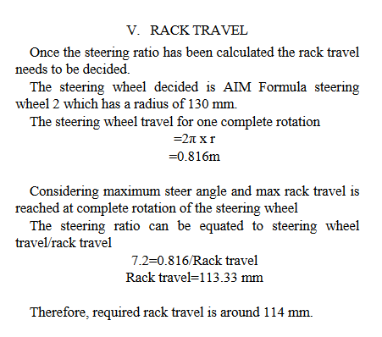
Pinion Key
Key Width | w_key | 0.004 | m | Can be designed
Key Height | h_key | 0.004 | m
Key Length | l_key | 0.03 | m
Secondary Shaft Diameter | d_sshaft | 0.0254 | m | From Catalogue
 | r | 0.0147 | m
Pin Reaction Force in | F_Kpin | 3181.9701446 | N | y force
Pin Reaction Force Out | F_Kpout | 3181.9701446 | N
Torque applied on Pinion Key | T | 46.774961126 | N.m
Max Shear Stress | tao | 39774626.808 | Pa
Shear Yield Strength | S_sy | 1.28E+08 | Pa | STEEL A36 Hot Rolled
Safety Factor | n | 3.2080753546

Secondary Steering Shaft
U joint arms thickness | t_uarms | 0.00476 | m | pg.157 and 158 diagrams
Distance between u joint arms | l_uarms | 0.0635 | m
Shaft Diameter (minor) (@ key end) | d_shaftmin | 0.024 | m | 0.00025
Shaft Diameter (major) | d_shaftmaj | 0.0254 | m
Force at U joint from secondary shaft y | F_uy2 | 1255.7866387 | N
Force transmitted from pinion key | F_pkin | 3181.9701446 | N
Angle at which Secondary Shaft is positioned from Vertical | Phi_sec. | 0.34888888889 | radians
Force at U joint from secondary shaft x | F_ux2 | 456.81730817 | N
Force y from Pinion | F_py | 382.79685615 | N
Force Bearing 2 y end of shaft | F_By2 | 278.39771357 | N | PAGE 158 report Eric for Moment and Force Equations
Force Bearing 1 y after pinion | F_By1 | 104.39914259 | N
Force y from Pinion | F_py | 1052.3050872 | N
Force Bearing 2 y end of shaft | F_Bx2 | 765.31279069 | N | PAGE 158 report Eric for Moment and Force Equations
Force Bearing 1 y after pinion | F_Bx1 | 286.99229651 | N |  | BEARING PRODUCT DESCRIPTION
Reliability factor | K_r | 1
Life (revolutions) | L_r | 10000000 |  |  | Bearing Shaft Diameter | d_shaft | 0.022225 | m
Equivelant load | F_e | 765.31279069 | N |  | Bearing Trade Number | R14
Bearing Rated Capacity | C | 10011.91923 | N | MCMASTER CARR | Max Bearing Load Dynamic | 10011.91923 | 2250 | lbs
Application Factor | K_a | 1.75 |  |  | Bearing Width | w_bearing | 0.009525 | m
Bearing Fatigue Life | L | 8113761827.4 | cycles
Bearing Fatigue Life | L | 81.137618274 | 10^8 cycles |  | Secondary Shaft
 |  |  |  |  | KEYED SHAFT KEYWAY LENGTH | l_keyway | 4 | in
Universal Joint Pin Failure Analysis
Max Shear Stress | tao_max | 1514094.9296 | Pa | Far from failing as the forces applied are very small (APPENDIX) | UNIVERSAL JOINT PROPERTIES
Shear Yield Strength | S_sy | 127600000 | Pa
Safety Factor | n | 84.274768709 |  |  | U joint arms thickness | t_uarms | 0.00476 | m |  | 6452K5
 |  |  |  |  | Universal Joint Overall Height | h_uarms | 0.0635 | m |  | https://www.mcmaster.com/catalog/6452k5
Primary Shaft |  |  |  |  | Max Operating Angle | Beta_maxu | 45 | degrees
Force Applied on Key Way of Primary Shaft from Steering | F_keyprimy | 1959.349153 | N |  | Max Torque Rated | T_maxrated | 11600 | lbs
Torque from Shaft | T_out | 28.802432549 | N.m |  | Joint Diameter for pins on universal joint | d_pin joint | 0.01327 | mm
Torque from Steering Wheel | T_in | 28.802432549 | N.m
Force input from Wheel | F_in | 288.02432549 | N
Radius of Steering Wheel | r_sw | 0.1 | m
Moment of Inertia | I_majorshaft | 2.6519003638E-07 | m^4
Stress Concentration | K_f | 1.3
Shear Yield Strength | S_sy | 127600000 | Pa
Shear Stress max for hollow prim shaft | tao_max | 57381119.487 | Pa
Safety factor | n | 2.2237279639

Battery Mounts
Battery Mount Dimensions

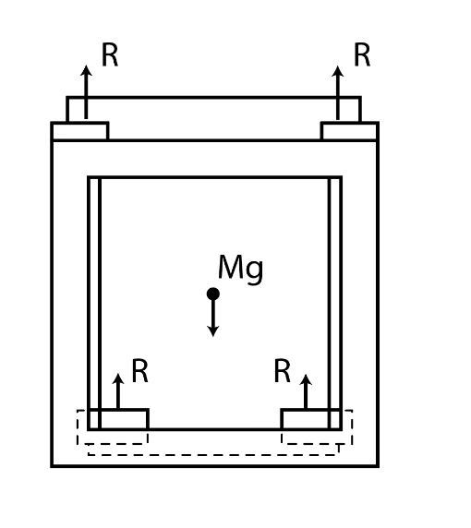

Mass of Battery | m | 32 | kg
Gravitational Accel | g | 9.81 | m/s^2
Reaction Force from Mounts | R_m | 39.24 | N
Number of Mounts | N | 8
Safety Factor | n | 3 |  | Mounts to be able to withstand 3x force

Mount General Dimensions and Bolt Analysis |  |  |  |  | M20 Bolt by 380 mm
Distance between Force and Bolt | d_f | 0.08 | m
Bolt Diameter | D_bolt | 0.02 | m | M20 bolt | https://www.trfastenings.com/Products/Catalogue/Screws-and-Bolts/Hexagon-Screws-and-Bolts/Bolts/TR00002635-100
Bolt Length | L_bolt | 0.038 | m
Thickness of Top Mount | t_topmount | 0.02 | m
Thickness of Bottom Mount | t_botmount | 0.01 | m
Max Force Applied Top Mount | F_TM max | 117.72 | N | 3x the expected force on a single mount
Bending Stress on boly | sigma_bolt | 47987770.701 | Pa
Yield Stress Bolt | S_y | 220000000 | Pa
Safety Factor | n | 4.5845013592 |  | n > 1.5 good

Springs and Dampers
Springs

Total Mass of the Car | m_T | 303.465 | kg |  | SPRUNG MASS | 223.2585 |  | Front Bias | blad | 0.49274886512 | SPRUNG MASS REAR | 113.2481275
Front Sprung Mass per Corner | m_funsprung | 55.005186252 | kg |  | UNSPRUNG MASS | 80.2065 |  | Rear Bias | blod | 0.50725113488 | SPRUNG MASS FRONT | 110.0103725
Rear Sprung Mass per Corner | m_runsprung | 56.624063748 | kg
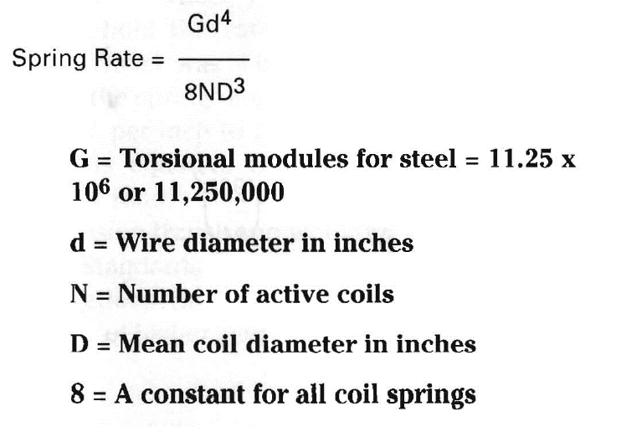
Front Unsprung Mass per Corner | m_fsprung | 19.760830925 | kg |  | Distance from Pushrod to Bell Crank | 530.45
Rear Unsprung Mass per Corner | m_rsprung | 20.342419075 | kg |  | Distance From Wheel Center to Lower Control Arm | 332.18
Motion Ratio | MR | 1.245 |  |  | a | 255.82
Tire Stiffness | K_t | 147281.66824 | N/m | 147.28166824 | b | 313.05
 |  |  |  |  | c | 1470
Undamped Natural Frequency | f_r | 3.75 | Hz |  | d | 1500
Spring Rate Front | K_sf | 24502.822336 | N/m | 24.502822336
Spring Rate Rear | K_sr | 25223.973747 | N/m
Ride Rate | K_r | 277.88668488 | kg-Hz^2
Wheel Rate | K_wf | 30506.013808 | N/m | 30.506013808 | https://www.hoosiertire.com/contingency_rates/fsae/
Critical Damping Ratio Front | c_crit | 3334.7482861 | Ns/m | 175.14612972
Damping Coefficient | b_front | 833.68707153 | Ns/m | 0.83368707153

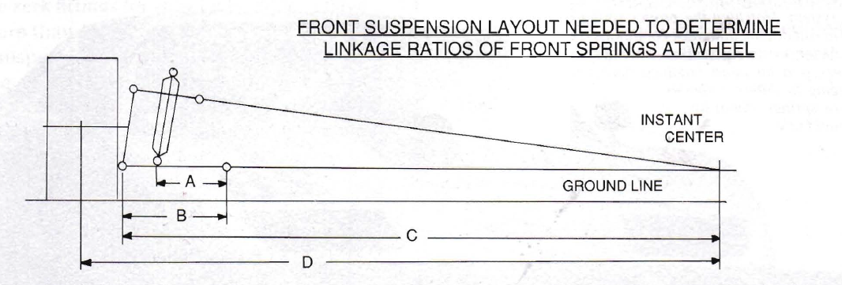
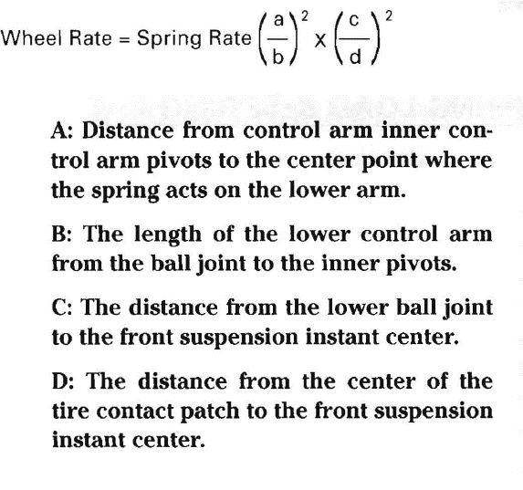
Front Push Rod Force | F_prf | 1366.56 | N
Min Force | F_min | 0 | N
Amplitude Force | F_a | 683.28 | N
Mean Force | F_m | 683.28 | N
Displacement induced by force | x_max | 0.055771534449 | m
Spring Index | C | 5.4166666667 | Falls between 4 and 12
Solid Force | F_s | 1571.544 | N
Active Coils | N_a | 5.01E+00 | 5 | 7
MAX DEFLECTION POSSIBLE | delta_s | 0.064137264616
Solid deflection | L_s | 0.042 | m
Free Length | L_f | 0.10613726462 | m
FULL SOLID DEFLECTION | L_fs | 0.064137264616 | m
 |  | 328252045.62 |  |  | D | 0.0325 | m
 |  | 48118.005016 | 1149.6418339 | 19.575851058 | d | 0.006 | m

 |  |  |  |  | Modulus of Elasticity | 6.89E+10 | Pa
 |  |  |  |  | Shear Modulus | 2.60E+10 | Pa
 |  |  |  |  | Ultimate Tensile Strength | 3.36E+10 | Pa
 |  |  |  |  | Ultimate Tensile Strength | 1.51E+10 | Pa

